Guess sun 3848
 |  |  |  |  |  |  |  |  | 3848

Brand |  | Mod | Size | Color | Gender | Wh. Pr | Ret. Pr |  | Qty
Guess | Sun | GU3021 | 53 | 05X | F | 60 | 150 |  | 2
Guess | Sun | GU3022 | 53 | 02U | F | 60 | 150 |  | 3
Guess | Sun | GU6838 | 55 | 56F | F | 54 | 140 |  | 12
Guess | Sun | GU6842 | 55 | 91B | F | 54 | 140 |  | 24
Guess | Sun | GU7308 | 55 | C46 | F | 54 | 140 |  | 12
Guess | Sun | GU7313 | 55 | 92W | F | 56 | 142 |  | 18
Guess | Sun | GU7313 | 56 | T034 | F | 56 | 142 |  | 12
Guess | Sun | GU7314 | 60 | 83B | F | 56 | 142 |  | 10
Guess | Sun | GU7315 | 60 | 6RY | F | 58 | 145 |  | 24
Guess | Sun | GU7404 | 58 | 591C | F | 60 | 150 |  | 14
Guess | Sun | GU7433 | 57 | 52F | F | 56 | 142 | 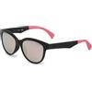 | 4
Guess | Sun | GU7434 | 57 | 02D | F | 56 | 142 |  | 14
Guess | Sun | GU7462 | 57 | 72C | F | 54 | 140 |  | 12
Guess | Sun | GU7464 | 57 | 82B | F | 60 | 150 |  | 24
Guess | Sun | GU7478 | 58 | 50F | F | 58 | 145 |  | 2
Guess | Sun | GU7478 |  | 89B | F | 58 | 145 |  | 3
Guess | Sun | GU7478 |  | 05B | F | 58 | 145 | 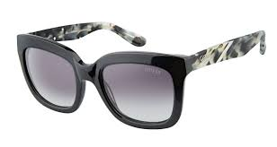 | 8
Guess | Sun | GU7487 |  | 88C | F | 60 | 150 |  | 20
Guess | Sun | GU0367 | 53 | 32T | U | 62 | 155 | 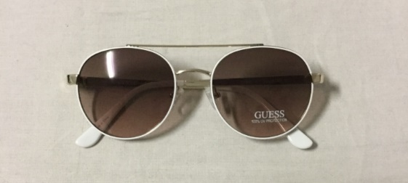 | 1000
Guess | Sun | GU0365 | 56 | 28Z | U | 62 | 155 |  | 600
Guess | Sun | GU0353 | 56 | 01A | W | 60 | 150 | 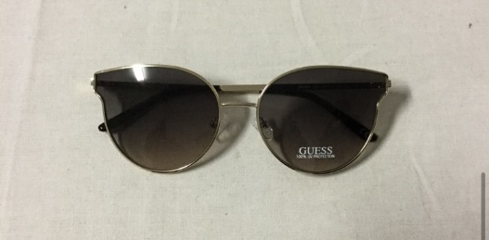 | 130
Guess | Sun | GU0296 | 56 | 32F | W | 62 | 155 | 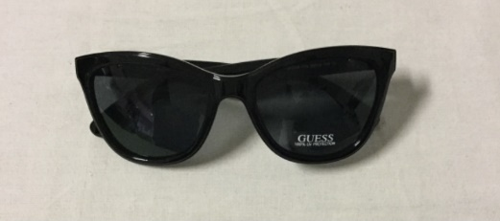 | 1000
Guess | Sun | GU0344 | 56 | 32F | U | 64 | 159 | 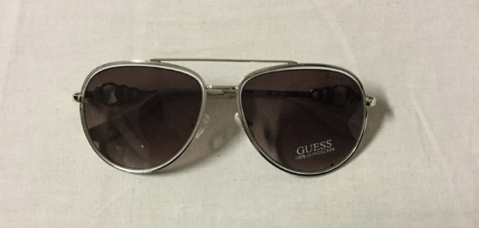 | 600
Guess | Sun | GU0344 | 56 | 28U | U | 64 | 159 | 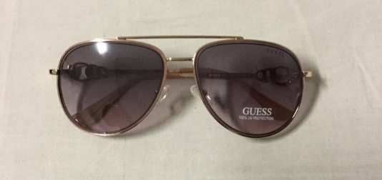 | 300
Totale

